Table 1
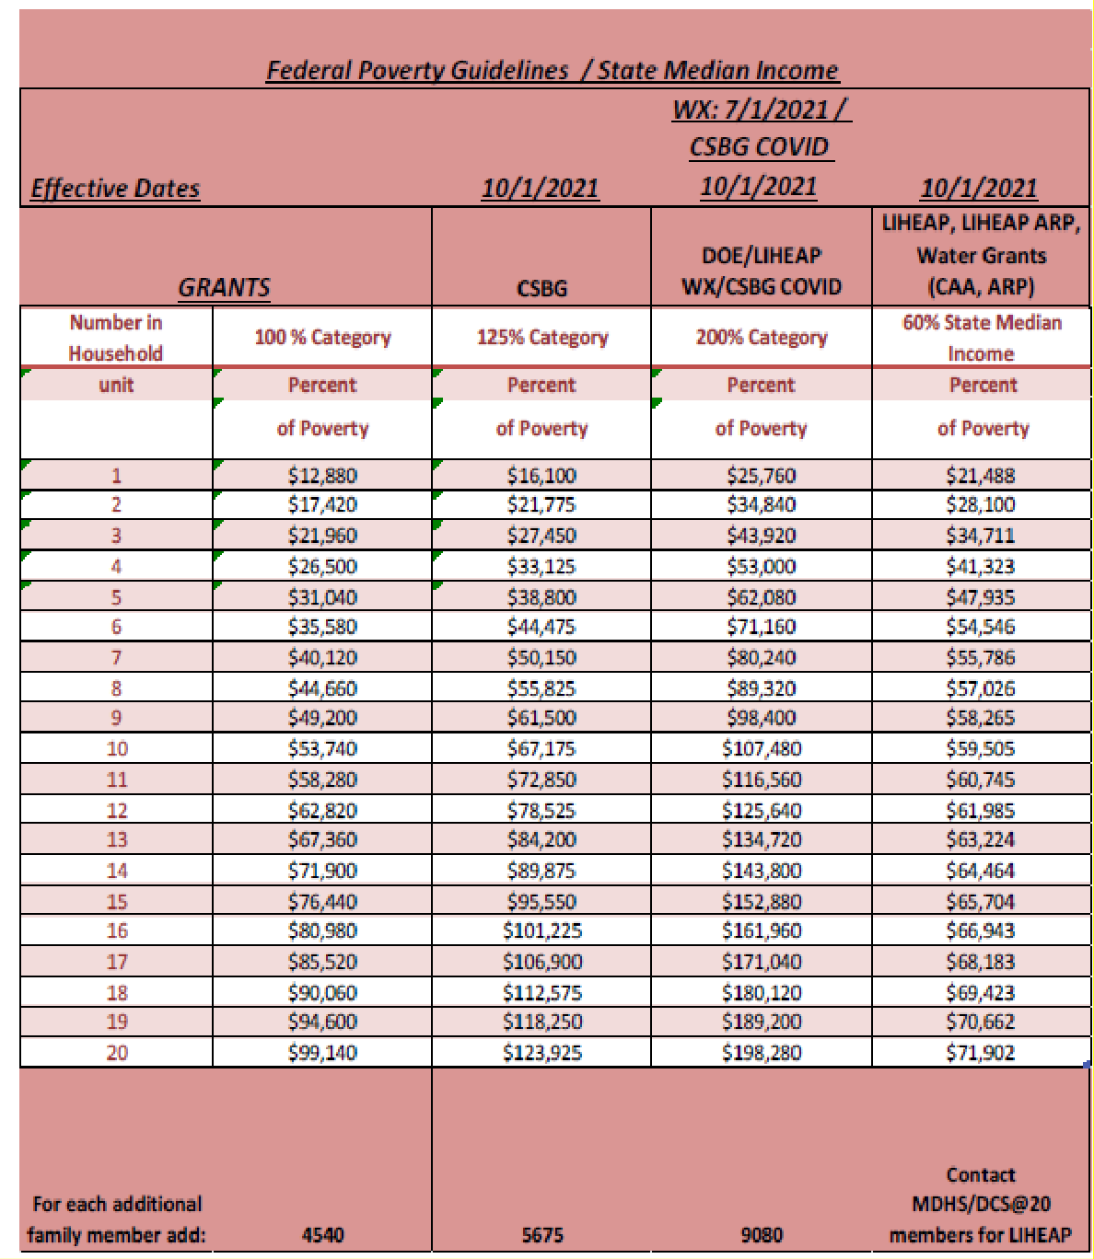
ATTACHMENT- POVERTY GUIDELINES CSBG and LIHEAP applicants must first meet income guidelines to be eligible for assistance. Also, non-elderly/non-disabled clients must be placed in case management. A. CSBG: The income of all household members may not exceed 125% of the federal poverty guidelines as established by Department of Health and Human Services (HHS). B. LIHEAP: The income of all household members may not exceed 60% of the state median income for Mississippi.
 |  |  |  |  |  |  |  | 21488 28100 34711 41323 47935 54546 55786 57026 58265 59505

ATTACHMENT-2022 LIHEAP BENEIFIT MATRIX
LIHEAP Benefit Matrix (Fuel Types)
The LIHEAP Act stipulates that households with high energy costs and needs receive the greatest benefit. LIHEAP Benefits are now capped based on income levels and size of household income. LIHEAP benefits are capped at $1500 per program year.
Note: Round amounts down ending in .49 or less Round amounts up ending in .50 or higher.

Household Data | HH Size / Income | Energy Types
 | Household Size of 1 | Propane | Electric* | Natural Gas | Wood/Other Fuel | Maximum Benefit | Total Electric Benefit**
Income is between | 0 – 3220 | 800 | 700 | 700 | 400 | 1500 | 1500
 | 3221 – 6440 | 750 | 650 | 650 | 360 | 1400 | 1400
 | 6441 – 9660 | 700 | 600 | 600 | 320 | 1300 | 1300
 | 9661 - 12880 | 650 | 550 | 550 | 280 | 1200 | 1200
 | 12881 - 16100 | 600 | 500 | 500 | 240 | 1100 | 1100
 | 16101 - 21488 | 550 | 450 | 450 | 200 | 1000 | 1000
 | Over 21,488.49 for HH of 1 | 0 | 0 | 0 | 0 | 0 | 0

Household Data | HH Size / Income | Energy Types
 | Household Size of 2 | Propane | Electric | Natural Gas | Wood/Other Fuel | Maximum Benefit | Total Electric Benefit
Income is between | 0 - 4355 | 800 | 700 | 700 | 400 | 1500 | 1500
 | 4356 - 8710 | 750 | 650 | 650 | 360 | 1400 | 1400
 | 8711 - 13065 | 700 | 600 | 600 | 320 | 1300 | 1300
 | 13066 - 17420 | 650 | 550 | 550 | 280 | 1200 | 1200
 | 17421 - 21775 | 600 | 500 | 500 | 240 | 1100 | 1100
 | 21776 - 28100 | 550 | 450 | 450 | 200 | 1000 | 1000
 | Over $28,100.49 for HH of 2 | 0 | 0 | 0 | 0 | 0 | 0
Household Data | HH Size / Income | Energy Types
 | Household Size of 3 | Propane | Electric | Natural Gas | Wood/Other Fuel | Maximum Benefit | Total Electric Benefit
Income is between | 0 - 5490 | 800 | 700 | 700 | 400 | 1500 | 1500
 | 5491 - 10980 | 750 | 650 | 650 | 360 | 1400 | 1400
 | 10981 - 16470 | 700 | 600 | 600 | 320 | 1300 | 1300
 | 16471 - 21960 | 650 | 550 | 550 | 280 | 1200 | 1200
 | 21961 - 27450 | 600 | 500 | 500 | 240 | 1100 | 1100
 | 27451 - 34711 | 550 | 450 | 450 | 200 | 1000 | 1000
 | Over 34,711.49 for HH of 3 | 0 | 0 | 0 | 0 | 0 | 0

Household Data | HH Size / Income | Energy Types
 | Household Size of 4 | Propane | Electric | Natural Gas | Wood/Other Fuel | Maximum Benefit | Total Electric Benefit
Income is between | 0 - 6625 | 800 | 700 | 700 | 400 | 1500 | 1500
 | 6626 - 13250 | 750 | 650 | 650 | 360 | 1400 | 1400
 | 13251 - 19875 | 700 | 600 | 600 | 320 | 1300 | 1300
 | 19876 - 26500 | 650 | 550 | 550 | 280 | 1200 | 1200
 | 26501 - 33125 | 600 | 500 | 500 | 240 | 1100 | 1100
 | 33126 - 41323 | 550 | 450 | 450 | 200 | 1000 | 1000
 | Over 41,323.49 for HH of 4 | 0 | 0 | 0 | 0 | 0 | 0

Household Data | HH Size / Income | Energy Types
 | Household Size of 5 | Propane | Electric | Natural Gas | Wood/Other Fuel | Maximum Benefit | Total Electric Benefit
Income is between | 0 - 7760 | 800 | 700 | 700 | 400 | 1500 | 1500
 | 7761 - 15520 | 750 | 650 | 650 | 360 | 1400 | 1400
 | 15521 - 23280 | 700 | 600 | 600 | 320 | 1300 | 1300
 | 23281 - 31040 | 650 | 550 | 550 | 280 | 1200 | 1200
 | 31041 - 38800 | 600 | 500 | 500 | 240 | 1100 | 1100
 | 38801 - 47935 | 550 | 450 | 450 | 200 | 1000 | 1000
 | Over 47,935.49 for HH of 5 | 0 | 0 | 0 | 0 | 0 | 0
Household Data | HH Size / Income | Energy Types
 | Household Size of 6 | Propane | Electric | Natural Gas | Wood/Other Fuel | Maximum Benefit | Total Electric Benefit
Income is between | 0 - 8895 | 800 | 700 | 700 | 400 | 1500 | 1500
 | 8896 - 17790 | 750 | 650 | 650 | 360 | 1400 | 1400
 | 17791 - 26685 | 700 | 600 | 600 | 320 | 1300 | 1300
 | 26686 - 35580 | 650 | 550 | 550 | 280 | 1200 | 1200
 | 35581 - 44475 | 600 | 500 | 500 | 240 | 1100 | 1100
 | 44476 - 54546 | 550 | 450 | 450 | 200 | 1000 | 1000
 | Over 54,546.49 for HH of 6 | 0 | 0 | 0 | 0 | 0 | 0

Household Data | HH Size / Income | Energy Types
 | Household Size of 7 | Propane | Electric | Natural Gas | Wood/Other Fuel | Maximum Benefit | Total Electric Benefit
Income is between | 0 - 10030 | 800 | 700 | 700 | 400 | 1500 | 1500
 | 10031 - 20060 | 750 | 650 | 650 | 360 | 1400 | 1400
 | 20061 - 30090 | 700 | 600 | 600 | 320 | 1300 | 1300
 | 30091 - 40120 | 650 | 550 | 550 | 280 | 1200 | 1200
 | 40121 - 50150 | 600 | 500 | 500 | 240 | 1100 | 1100
 | 50151 - 55786 | 550 | 450 | 450 | 200 | 1000 | 1000
 | Over 55,786.49 for HH of 7 | 0 | 0 | 0 | 0 | 0 | 0

Household Data | HH Size / Income | Energy Types
 | Household Size of 8 | Propane | Electric | Natural Gas | Wood/Other Fuel | Maximum Benefit | Total Electric Benefit
Income is between | 0 - 11165 | 800 | 700 | 700 | 400 | 1500 | 1500
 | 11166 - 22330 | 750 | 650 | 650 | 360 | 1400 | 1400
 | 22331 - 33495 | 700 | 600 | 600 | 320 | 1300 | 1300
 | 33496 - 44660 | 650 | 550 | 550 | 280 | 1200 | 1200
 | 44661 - 57026 | 600 | 500 | 500 | 240 | 1100 | 1100
 | Over 57,026.49 for HH of 8 | 0 | 0 | 0 | 0 | 0 | 0

Household Data | HH Size / Income | Energy Types
 | Household Size of 9 | Propane | Electric | Natural Gas | Wood /Other Fuel | Maximum Benefit | Total Electric Benefit
Income is between | 0 - 12300 | 800 | 700 | 700 | 400 | 1500 | 1500
 | 12301 - 24600 | 750 | 650 | 650 | 360 | 1400 | 1400
 | 24601 - 36900 | 700 | 600 | 600 | 320 | 1300 | 1300
 | 36901 - 49200 | 650 | 550 | 550 | 280 | 1200 | 1200
 | 49201 - 58265 | 600 | 500 | 500 | 240 | 1100 | 1100
 | Over 58, 265.49 for HH of 9 | 0 | 0 | 0 | 0 | 0 | 0

Household Data | HH Size / Income | Energy Types
 | Household Size of 10 | Propane | Electric | Natural Gas | Wood /Other Fuel | Maximum Benefit | Total Electric Benefit
Income is between | 0 – 13435 | 800 | 700 | 700 | 400 | 1500 | 1500
 | 13436 - 26870 | 750 | 650 | 650 | 360 | 1400 | 1400
 | 26871 - 40305 | 700 | 600 | 600 | 320 | 1300 | 1300
 | 40306 - 53740 | 650 | 550 | 550 | 280 | 1200 | 1200
 | 53741 - 59505 | 600 | 500 | 500 | 240 | 1100 | 1100
 | Over 59,505.49 for HH of 10 | 0 | 0 | 0 | 0 | 0 | 0

Household Data | HH Size / Income | Energy Types
 | Household Size of 11 | Propane | Electric | Natural Gas | Wood/Other Fuel | Maximum Benefit | Total Electric Benefit
Income is between | 0 -14570 | 800 | 700 | 700 | 400 | 1500 | 1500
 | 14571 - 29140 | 750 | 650 | 650 | 360 | 1400 | 1400
 | 29141 -43710 | 700 | 600 | 600 | 320 | 1300 | 1300
 | 43711 - 60745 | 650 | 550 | 550 | 280 | 1200 | 1200
 | Over 60,745.49 for HH of 11 | 0 | 0 | 0 | 0 | 0 | 0

Household Data | HH Size / Income | Energy Types
 | Household Size of 12 | Propane | Electric | Natural Gas | Wood/Other Fuel | Maximum Benefit | Total Electric Benefit
Income is between | 0 - 15705 | 800 | 700 | 700 | 400 | 1500 | 1500
 | 15706 - 31410 | 750 | 650 | 650 | 360 | 1400 | 1400
 | 31411 - 47115 | 700 | 600 | 600 | 320 | 1300 | 1300
 | 47116 - 61985 | 650 | 550 | 550 | 280 | 1200 | 1200
 | Over 61,985.49 for HH of 12 | 0 | 0 | 0 | 0 | 0 | 0

Household Data | HH Size / Income | Energy Types
 | Household Size of 13 | Propane | Electric | Natural Gas | Wood/Other Fuel | Maximum Benefit | Total Electric Benefit
Income is between | 0 - 16840 | 800 | 700 | 700 | 400 | 1500 | 1500
 | 16841 - 33680 | 750 | 650 | 650 | 360 | 1400 | 1400
 | 33681 - 50520 | 700 | 600 | 600 | 320 | 1300 | 1300
 | 50521 - 63224 | 650 | 550 | 550 | 280 | 1200 | 1200
 | Over 63,224.49 or HH of 13 | 0 | 0 | 0 | 0 | 0 | 0

Household Data | HH Size / Income | Energy Types
 | Household Size of 14 | Propane | Electric | Natural Gas | Wood/Other Fuel | Maximum Benefit | Total Electric Benefit
Income is between | 0 - 17975 | 800 | 700 | 700 | 400 | 1500 | 1500
 | 17976 - 35950 | 750 | 650 | 650 | 360 | 1400 | 1400
 | 35951 - 53925 | 700 | 600 | 600 | 320 | 1300 | 1300
 | 53926 - 64464 | 650 | 550 | 550 | 280 | 1200 | 1200
 | Over 64,464.49 for HH of 14 | 0 | 0 | 0 | 0 | 0 | 0

Household Data | HH Size / Income | Energy Types
 | Household Size of 15 | Propane | Electric | Natural Gas | Wood/Other Fuel | Maximum Benefit | Total Electric Benefit
Income is between | 0 - 19110 | 800 | 700 | 700 | 400 | 1500 | 1500
 | 19111 - 38220 | 750 | 650 | 650 | 360 | 1400 | 1400
 | 38221 - 57330 | 700 | 600 | 600 | 320 | 1300 | 1300
 | 57331 - 65704 | 650 | 550 | 550 | 280 | 1200 | 1200
 | Over 65,704.49 for HH of 15 | 0 | 0 | 0 | 0 | 0 | 0

Household Data | HH Size / Income | Energy Types
 | Household Size of 16 | Propane | Electric | Natural Gas | Wood/Other Fuel | Maximum Benefit | Total Electric Benefit
Income is between | 0 - 20245 | 800 | 700 | 700 | 400 | 1500 | 1500
 | 20246 - 40490 | 750 | 650 | 650 | 360 | 1400 | 1400
 | 40491 - 60735 | 700 | 600 | 600 | 320 | 1300 | 1300
 | 60736 - 66943 | 650 | 550 | 550 | 280 | 1200 | 1200
 | Over 66,943.49 for HH of 16 | 0 | 0 | 0 | 0 | 0 | 0

Household Data | HH Size / Income | Energy Types
 | Household Size of 17 | Propane | Electric | Natural Gas | Wood/Other Fuel | Maximum Benefit | Total Electric Benefit
Income is between | 0 - 21380 | 800 | 700 | 700 | 400 | 1500 | 1500
 | 21381 - 42760 | 750 | 650 | 650 | 360 | 1400 | 1400
 | 42761 - 64140 | 700 | 600 | 600 | 320 | 1300 | 1300
 | 64141 - 68183 | 650 | 550 | 550 | 280 | 1200 | 1200
 | Over 68,183.49 for HH of 17 | 0 | 0 | 0 | 0 | 0 | 0

Household Data | HH Size / Income | Energy Types
 | Household Size of 18 | Propane | Electric | Natural Gas | Wood/Other Fuel | Maximum Benefit | Total Electric Benefit
Income is between | 0 - 22515 | 800 | 700 | 700 | 400 | 1500 | 1500
 | 22516 - 45030 | 750 | 650 | 650 | 360 | 1400 | 1400
 | 45031 - 69423 | 700 | 600 | 600 | 320 | 1300 | 1300
 | Over 69,423.49 for HH of 18 | 0 | 0 | 0 | 0 | 0 | 0

Household Data | HH Size / Income | Energy Types
 | Household Size of 19 | Propane | Electric | Natural Gas | Wood/Other Fuel | Maximum Benefit | Total Electric Benefit
 | 0 - 23650 | 800 | 700 | 700 | 400 | 1500 | 1500
 | 23651 - 47300 | 750 | 650 | 650 | 360 | 1400 | 1400
 | 47301 - 70662 | 700 | 600 | 600 | 320 | 1300 | 1300
 | Over 70,662.49 for HH of 19 | 0 | 0 | 0 | 0 | 0 | 0

Household Data | HH Size / Income | Energy Types
 | Household Size of 20 | Propane | Electric | Natural Gas | Wood/Other Fuel | Maximum Benefit | Total Electric Benefit
Income is between | 0 - 24785 | 800 | 700 | 700 | 400 | 1500 | 1500
 | 24786 - 49570 | 750 | 650 | 650 | 360 | 1400 | 1400
 | 49571 - 71902 | 700 | 600 | 600 | 320 | 1300 | 1300
 | Over 71,902.49 for HH of 20 | 0 | 0 | 0 | 0 | 0 | 0
*The electric column represents the amount for households with main heating fuel other than electric.
**The total electric column represents the amount that can be paid for households with electric as their main heating fuel.
Note: The minimum amount that a household can receive is $1 because the State of Mississippi pays the amount of the bill.

